Express Tray Set up
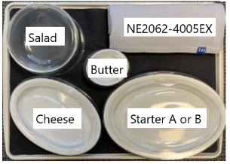
BUSINESS CLASS - 1st service express tray 4 TSU per flight
SAS IFX Description | Weight / Pc | Unit of M | Load Ratio
IC C S1 CUTLERY C2
Napkin/Tablecloth, Poly/Cotton, Grey | 1 | Pc | 100%
Knife, Stainless, RS | 3 | Pc
Fork, Stainless, RS | 3 | Pc
Spoon, Stainless, Dessert/Soup, RS | 1 | Pc
Salt & Pepper, Twinpack | 1 | Pc
Toothpick, Individually Packed | 1 | Pc
IC C S1 SALAD C2
Mesclun Mixed Greens | 30 | gm | 100%
Toasted Sunflower Seeds | 5 | gm
IC C S1+S2 BUTTER C2
Premium Whipped Butter | 14 | gm | 100%
Maldon Flaky Salt | 1 | gm
IC C S1 ST-A MEAT C3
Grilled Peaches Wrapped with Proscuttio Ham | 40 | gm | 50%
Mozzarella | 30 | gm
Arugula | 10 | gm
Balsamic Pearls | 5 | gm
Olive Oil | 5 | gm

IC C S1 ST-B FISH C3
Seared Ahi Tuna | 40 | gm | 50%
Poached Fingerling | 20 | gm
Confit Tomato | 20 | gm
Caper Garlic Aioli | 10 | gm
IC C S1 DE CHEESE C3
Sweet Grass Dairy Griffin | 20 | gm | 100%
Sweet Grass Asher Blue | 20 | gm
Jam | 10 | gm

